Reimbursements & Mileage Rates
East Central College Reimbursable Expenses:
All expenses should be submitted within 30 days of having been incurred.
Requests for reimbursement of expenses must be submitted on the appropriate Expense Claim and Travel Reporting Form within 30 days of the expense or they will not be reimbursed. Exceptions must be approved in writing by the employee’s administrator with appropriate justification provided. All employee reimbursements are subject to IRS regulations.

Transportation, lodging, and meeting/conference registration charges should be pre-paid using a college credit card whenever possible.

Mileage expenses for travel subject to reimbursement shall be reimbursed at a per mile rate established by the Internal Revenue Service. Human Resources together with the employee’s administrator will determine a single, regularly assigned place of employment for each employee upon acceptance or change in position with the College and/or update to this policy. Mileage expense for traveling between the employee’s residence and the employee’s regularly assigned place of employment shall not be reimbursed. Travel between College-owned sites and/or off-site locations is required by some positions. If a travel allowance is not written into an employee’s contract for this purpose, the employee is eligible for mileage expense reimbursement for such travel on a per event basis. An employee traveling for College business from their residence to a site other than the employee’s regularly assigned place of employment is eligible for mileage expense reimbursement. Mileage will be calculated from the employee’s regularly assigned place of employment or the employee’s residence, whichever is less. A reimbursable mileage guideline, which delineates standard mileage from the College to sites commonly traveled to, will be generated by the Office of Finance and Administration. (see chart below) Mileage to sites not on the guide will be based on mileage provided via a web mapping service and documented with a printout of the web page.
Employees should use the most efficient and economical mode of transportation and are encouraged to utilize a rental car when feasible. The College has established a corporate rate and direct billing arrangement with Enterprise for rental cars. Employees regularly traveling between the Union and Rolla campuses may use a rental car if it is convenient.

Other transportation expenses, including but not limited to, railroad fares, air fares, taxicabs, baggage transfers, tolls, and parking fees shall be reimbursed in full provided such expenses are necessary and reasonable and supported by appropriate receipts.

Lodging expenses shall be reimbursed in full provided such expenses are necessary and reasonable and supported by appropriate receipts. For lodging in Missouri, employees should provide the hotel/motel with the ECC tax exemption letter. The College does not reimburse for Missouri sales tax. The College will pay in-state hotel/motel expenses if travel is required on consecutive days to a location 80 miles or more from the college or the employee’s home, whichever is closer. Supervisors may approve exceptions by attaching a stay/drive comparison to the Expense Claim and Travel Reporting Form. In cases where a professional development activity is less than 80 miles from the College or the employee’s home (whichever is closer) and an overnight stay is desirable to avoid additional travel time, approval must be granted by the College President and reimbursement will be treated as a taxable benefit per IRS code.

Conference Expenses: Conference agenda and itemized expenses (meals, lodging, etc.) should be attached to the Expense Claim and Travel Reporting Form. Transportation to/from conferences will be reimbursed at the cost of the least expensive mode (airfare, mileage, rental car). Any exceptions shall be approved by the President or appropriate Vice President. An employee opting to extend their stay prior to or following a conference will be required to reimburse the college for rental car charges for any additional days or may choose to drive a personal vehicle and receive reimbursement at the comparable rental car cost.

Meal Expenses:
The College will reimburse actual meal expenses for approved activities, with itemized receipts, as follows:

Single-Day Trips – For single-day trips for meetings outside of the district/service region, reimbursement for actual meal expenses will be provided in the same manner used for the first day of travel on an overnight trip. If a meal is provided as part of the meeting, no reimbursement will be provided. Use website link (https://www.gsa.gov/travel-resources) to determine the reimbursable amount for zip code 63084 or the actual zip code where meal is taken place. Supporting documentation from the www.gsa.gov website must be attached if the 63084 rate is not used. Below is the meal guide for zip code 63084.

Overnight Trips – For trips requiring overnight travel, reimbursement will be provided for actual meal expenses (including gratuities) up to the current U.S. General Services Administration (GSA) rates (https://www.gsa.gov/travel-resources) with itemized receipts. On the first day of travel, meals will be reimbursed with itemized receipts for breakfast if travel commences before 8 a.m., for lunch if travel commences before 11 a.m., and for dinner if travel commences by 5 p.m. On the last day of travel, meals will be reimbursed with itemized receipts for breakfast if travel ends after 8 a.m., for lunch if travel ends after 12:30 p.m., and for dinner if travel ends after 6:30 p.m. Supporting documentation from the gsa.gov website must be attached to the reimbursement request.
Costs for a meal or meals provided as part of the conference or registration cost, will not be reimbursed.

Business Meals – Expenses for meals with a business purpose will be reimbursed in full if authorized in advance by the employee’s dean or administrator. These expenses must be supported with the names and positions of the employees and guests involved and a description of the purpose of the meeting.

Required Meetings – When a College employee is required to attend a function where a meal must be purchased, the meal expense shall be reimbursed in full.

Alcohol – In no case will costs of alcoholic beverages or other personal expenses be reimbursed.

Excess Expenses – If expenses in excess of the limitations stated above are charged to the employee’s College-issued credit card, reimbursement must be made to the College within 30 days for the amount exceeding the stated limit. The employee’s supervisor will notify the employee of excess expenses and will note amount to be reimbursed by employee on the Expense Claim and Travel Reporting Form prior to approving and submitting the expenses to the Business Office. A check reimbursing the College for excess charges will be attached to the form when submitted; if no check is attached to the form, the excess charges will be deducted from the reimbursement due to the employee or from the employee’s next paycheck.

The recommended tipping guidelines are as follows:
 | Restaurants 15-20%; Taxi/Rideshare 10%; Airport Shuttle $1 per bag.
 | If an employee desires to tip above the recommended guidelines, the additional amount will not be reimbursable from the College.

MEAL RATES and BREAKDOWN FOR UNION, 63084
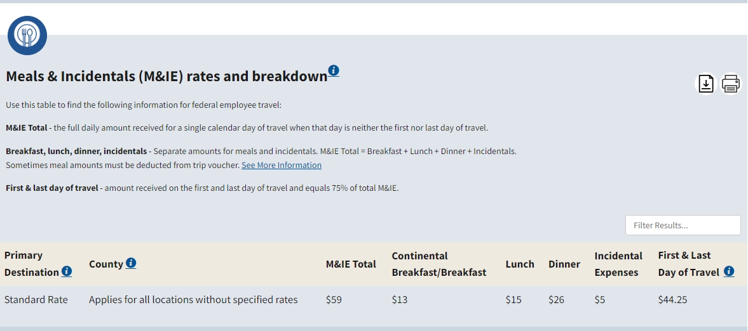

2023 Mileage Reimbursement Chart
Reimbursement Rate (effective 01-01-2023) |  |  | 0.655 | Cents per mile
* Mileage is based on information received through mapquest.com.
 |  | Mileage One Way | Reimbursement Amount (one way) | Reimbursement Amount (round trip)
High Schools | Belle | 50 | $32.75 | $65.50
 | Borgia | 12 | $7.86 | $15.72
 | Bourbon | 30 | $19.65 | $39.30
 | Cuba | 40 | $26.20 | $52.40
 | Fatima | 75 | $49.13 | $98.25
 | Four Rivers CC | 10 | $6.55 | $13.10
 | New Haven | 25 | $16.38 | $32.75
 | Owensville | 35 | $22.93 | $45.85
 | Pacific | 18 | $11.79 | $23.58
 | Rolla | 60 | $39.30 | $78.60
 | St. Clair | 7 | $4.59 | $9.17
 | Sullivan | 20 | $13.10 | $26.20
 | Union | 5 | $3.28 | $6.55
 | Vienna | 82 | $53.71 | $107.42
 | Warrenton | 35 | $22.93 | $45.85
 | Washington | 10 | $6.55 | $13.10
 | Wright City | 45 | $29.48 | $58.95
Area Colleges | Arnold - JCA | 50 | $32.75 | $65.50
 | Hillsboro-Jefferson | 43 | $28.17 | $56.33
 | Linn Tech | 59 | $38.65 | $77.29
 | Park Hills - MAC | 95 | $62.23 | $124.45
 | St. Charles CC | 57 | $37.34 | $74.67
 | Springfiled - OTC | 170 | $111.35 | $222.70
 | SLCC - Meramec | 38 | $24.89 | $49.78
 | SLCC - Downtown Bldg | 51 | $33.41 | $66.81
 | SLCC - Flo Valley | 60 | $39.30 | $78.60
 | UMSL | 59 | $38.65 | $77.29
Area Cities | Columbia | 115 | $75.33 | $150.65
 | Jefferson City | 80 | $52.40 | $104.80
 | Kansas City | 259 | $169.65 | $339.29
 | Lake Ozark | 125 | $81.88 | $163.75
 | Lambert Airport | 55 | $36.03 | $72.05
 | St. Louis | 51 | $33.41 | $66.81

